Data1
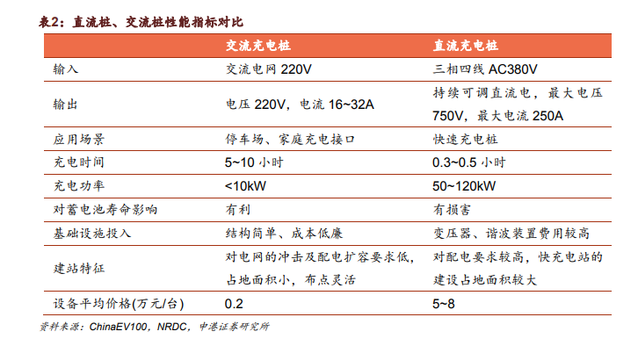
 | amount | ratio
AC slow charging | 1003898 | 0.823825416611616
DC fast charging | 214683 | 0.176174583388384
sum | 1218581 | 1

